Results
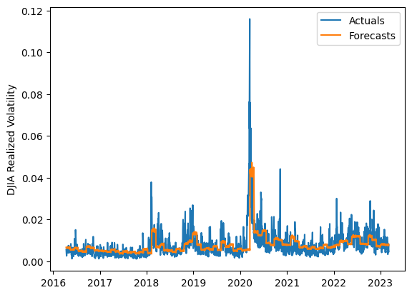
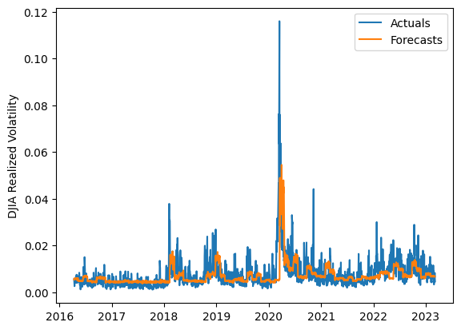
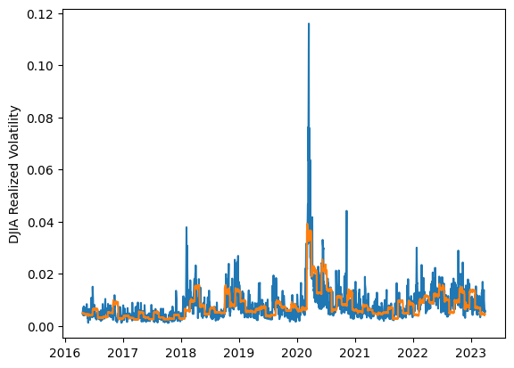
 | LSTM |  |  | TCN |  |  | NBEATSx |  |  |  |  | LSTM |  |  | TCN |  |  | NBEATSx
 | Accuracy | RMSE | Qlike | Accuracy | RMSE | Qlike | Accuracy | RMSE | Qlike |  |  | Accuracy | RMSE | Qlike | Accuracy | RMSE | Qlike | Accuracy | RMSE | Qlike
Trial 1 | 60.90% | 0.32% | 13.18% | 51.97% | 0.35% | 15.76% | 52.32% | 0.33% | 15.35% |  | Mean | 53.90% | 0.336% | 0.150 | 54.57% | 0.336% | 0.149 | 52.41% | 0.325% | 0.155
Trial 2 | 51.76% | 0.33% | 15.33% | 52.34% | 0.35% | 15.60% | 53.32% | 0.32% | 15.26% |  | Standard Deviation | 5.76% | 0.014% | 0.018 | 2.23% | 0.009% | 0.007 | 1.14% | 0.005% | 0.004
Trial 3 | 49.50% | 0.35% | 16.40% | 51.60% | 0.34% | 15.74% | 49.13% | 0.34% | 16.22% |  | 95% CI upper bound | 65.41% | 0.364% | 0.186 | 59.03% | 0.353% | 0.163 | 54.68% | 0.334% | 0.162
Trial 4 | 58.73% | 0.34% | 13.79% | 50.97% | 0.35% | 16.09% | 52.38% | 0.33% | 15.66% |  | 95% CI lower bound | 42.39% | 0.307% | 0.114 | 50.11% | 0.319% | 0.135 | 50.14% | 0.316% | 0.148
Trial 5 | 61.00% | 0.33% | 13.61% | 54.75% | 0.33% | 14.63% | 53.05% | 0.32% | 15.36% |  | 99.7% CI upper bound | 71.16% | 0.379% | 0.204 | 61.25% | 0.362% | 0.170 | 55.82% | 0.339% | 0.166
Trial 6 | 58.13% | 0.33% | 14.07% | 56.73% | 0.34% | 14.34% | 52.32% | 0.33% | 15.58% |  | 99.7% CI lower bound | 36.63% | 0.293% | 0.096 | 47.88% | 0.311% | 0.128 | 49.01% | 0.312% | 0.144
Trial 7 | 51.97% | 0.33% | 15.21% | 54.77% | 0.32% | 14.96% | 53.00% | 0.32% | 15.05%
Trial 8 | 53.00% | 0.33% | 14.98% | 57.24% | 0.33% | 14.12% | 52.63% | 0.32% | 15.73%
Trial 9 | 57.55% | 0.32% | 13.64% | 52.92% | 0.34% | 15.52% | 52.94% | 0.32% | 15.21%
Trial 10 | 43.11% | 0.36% | 18.63% | 57.70% | 0.33% | 14.14% | 52.33% | 0.32% | 15.43%
Trial 11 | 56.92% | 0.33% | 13.83% | 54.67% | 0.33% | 14.69% | 52.06% | 0.33% | 15.68%
Trial 12 | 42.48% | 0.37% | 19.03% | 53.84% | 0.34% | 15.20% | 54.59% | 0.32% | 15.13%
Trial 13 | 56.37% | 0.33% | 13.90% | 56.44% | 0.33% | 14.05% | 52.18% | 0.32% | 15.18%
Trial 14 | 56.60% | 0.33% | 13.87% | 57.20% | 0.34% | 14.45% | 52.02% | 0.33% | 15.88%
Trial 15 | 50.45% | 0.33% | 15.79% | 55.39% | 0.33% | 14.38% | 51.91% | 0.33% | 16.13%

 | LSTM (best trial) |  |  |  |  |  |  |  |  | TCN (best trial) |  |  |  |  |  |  |  |  | NBEATSx (best trial)

